DataDescription
 |  |  | About A/B Testing Button Colors A lot of thought and effort goes into web design, especially for e-commerce websites. Things as small as the color of a "buy" or "sign up" button are considered carefully. Button Colors While the color of the button itself usually won't make a huge different, the color of the button in relation to the other colors on the page can be hugely important. It's important to find a color that's both pleasing and inviting, but that also contrasts enough with the rest of the page to stand out to the user.

About |  | 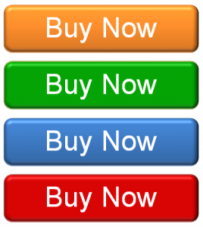
The data is from 20,000 users that visited an e-commerce website.

Some players saw a green "get started" button, while others saw a red one.

Column | Description
userid | a unique number that identifies each visitor
version | which group a user was put in: either red or green button
minutes_on_site | the number of active total seconds a user spent on the website after they clicked the link.
signup_1 | did the user sign up for the services on the first day?
signup_7 | did the user sign up for the services between day 2 and day 7?

